Other Connections
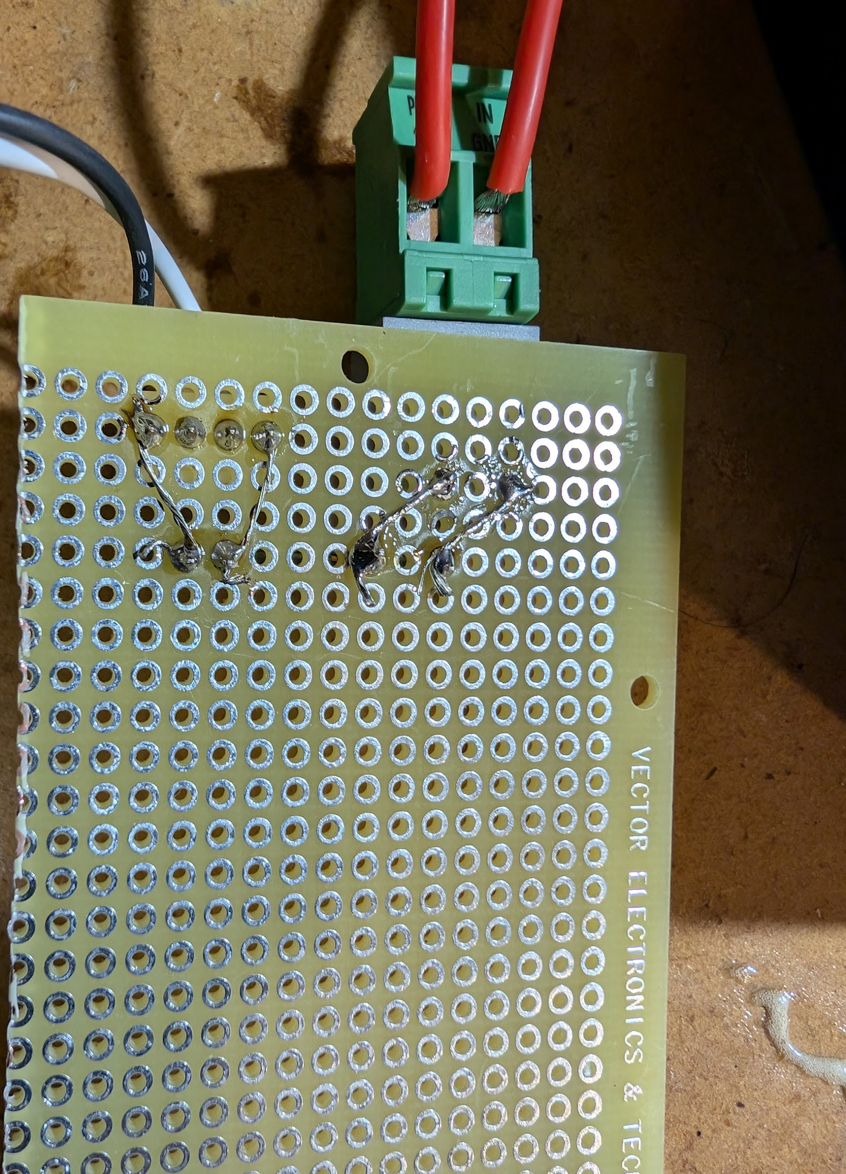
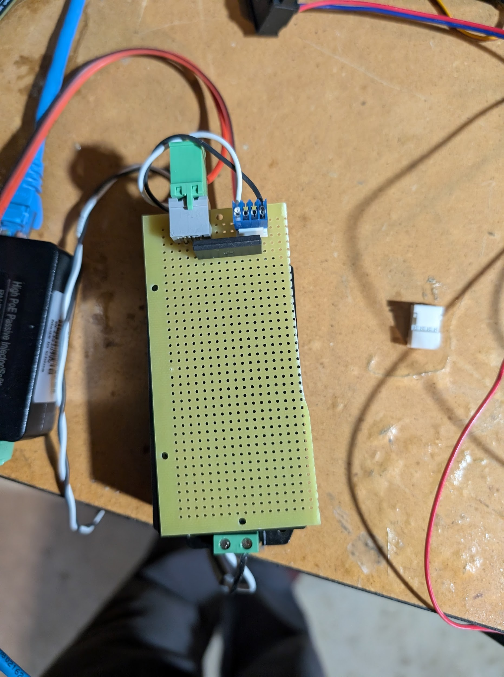
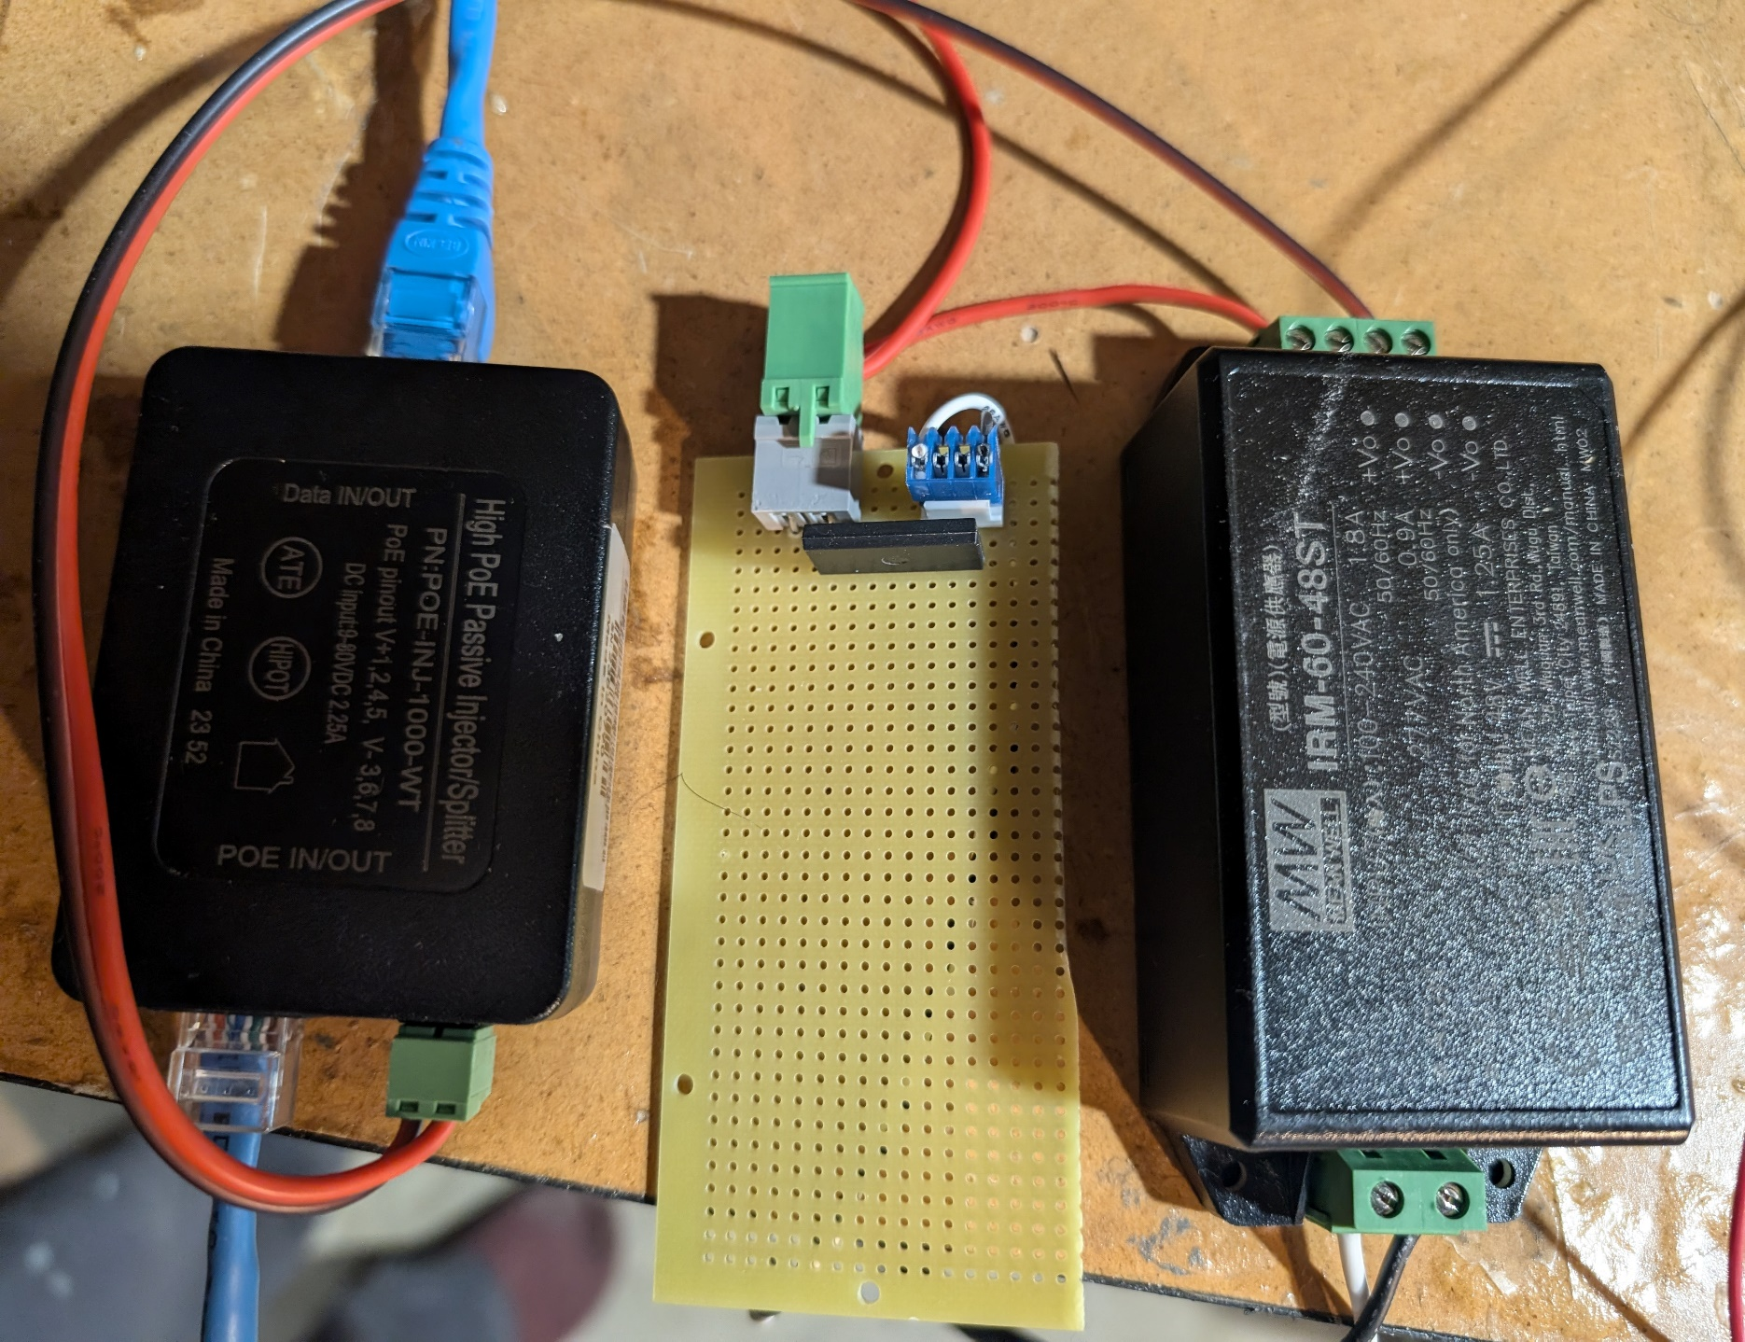
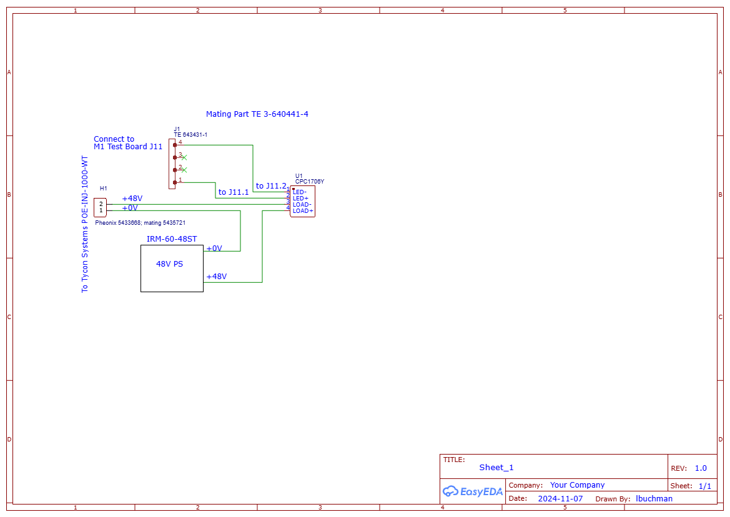
Device1 | Wire, Gauge | Desc | Device 2 | Voltage Level | Tolerance
3-D Scanner | Any |  | Connected to PC USB port | N/A | N/A
Label Printer | Any |  | Connected to PC USB port | N/A | N/A
PC Ethernet port 2 | Any |  | Connected to Internet | N/A | N/A
 | Any
Test Board J11.1 | Any | Control for POE power, no Pogo-Pins | Add inline TH Resistor TBD (~0.5K) Connect to +SSR to control POE power
Test Board J11.2 | Any | Control for POE power, no Pogo-Pins | Connect to -SSR to control POE power

 |  | J10 | Power 12V
 |  | RJ11 | Ethernet, connect to SAM_E

 |  | POE Power Control Board
1 |  | Remove F2 from M1 test board
2 |  | Install jumper 24AGW between F2.2 & U4.3
3 |  | Make a harness M1 test board J11 to POE board. Phoenix 5435721 to TE 3-640441-4 |  | Littlefuse CPC1706Y Mean Well USA IRM-60-48ST Tycon Systems POE-INJ-1000-WT Vector Electronics 8015-1

